Mini Case
 |  |  |  |  |  |  |  | 2021-03-08

Chapter 10. Mini Case
Situation
You have just graduated from the MBA program of a large university, and one of your favorite courses was "Today's Entrepreneurs." In fact, you enjoyed it so much you have decided you want to "be your own boss." While you were in the master's program, your grandfather died and left you $1 million to do with as you please. You are not an inventor, and you do not have a trade skill that you can market; however, you have decided that you would like to purchase at least one established franchise in the fast-foods area, maybe two (if profitable). The problem is that you have never been one to stay with any project for too long, so you figure that your time frame is three years. After three years you will go on to something else.

You have narrowed your selection down to two choices: (1) Franchise L, Lisa's Soups, Salads, & Stuff, and (2) Franchise S, Sam's Fabulous Fried Chicken. The net cash flows shown below include the price you would receive for selling the franchise in Year 3 and the forecast of how each franchise will do over the 3-year period. Franchise L's cash flows will start off slowly but will increase rather quickly as people become more health conscious, while Franchise S's cash flows will start off high but will trail off as other chicken competitors enter the marketplace and as people become more health conscious and avoid fried foods. Franchise L serves breakfast and lunch, while Franchise S serves only dinner, so it is possible for you to invest in both franchises. You see these franchises as perfect complements to one another: You could attract both the lunch and dinner crowds and the health conscious and not so health conscious crowds without the franchises directly competing against one another. Here are the net cash flows (in thousands of dollars):

 | Expected |  |  |  |  |  | Franchise S
 | Net Cash Flows
Year (t) | Franchise S | Franchise L |  | Year | 0 | 1 | 2 | 3
0 | -$100 | -$100 |  | CF | -100 | 70 | 50 | 20
1 | 70 | 10
2 | 50 | 60 |  |  |  |  | Franchise L
3 | 20 | 80
 |  |  |  | Year | 0 | 1 | 2 | 3
 |  |  |  | CF | -100 | 10 | 60 | 80

Depreciation, salvage values, net working capital requirements, and tax effects are all included in these cash flows.
You also have made subjective risk assessments of each franchise and concluded that both franchises have risk characteristics that require a return of 10%. You must now determine whether one or both of the franchises should be accepted.

c. (1.) Define the term net present value (NPV). What is each franchise's NPV?

Net Present Value (NPV)
To calculate the NPV, we find the present value of the individual cash flows and find the sum of those discounted cash flows. This value represents the value the project add to shareholder wealth.

r = | 10%

Franchise S
 | Time period: | 0 | 1 | 2 | 3 |  |  |  | Notice that the NPV function isn't really a net present value. Instead, it is the present value of future cash flows. Thus, you specify only the future cash flows in the NPV function. To find the true NPV, you must add the time zero cash flow to the result of the NPV function.
 | Cash flow: | -100 | 70 | 50 | 20
 | Disc. cash flow: | -100 | 64 | 41 | 15

NPV(S) = |  | = Sum disc. CF's. |  | or |  | = Uses NPV function.

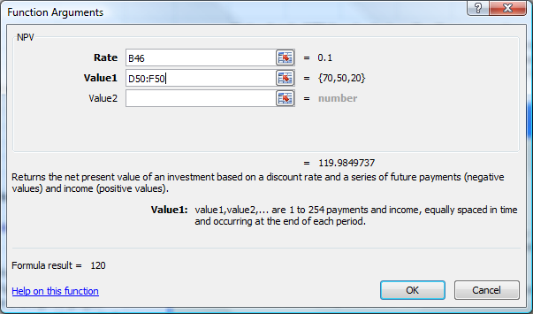
Franchise L
 | Time period: | 0 | 1 | 2 | 3
 | Cash flow: | -100 | 10 | 60 | 80
 | Disc. cash flow: | -100 | 9 | 50 | 60

NPV(L) = |  |  |  |  |  | = Uses NPV function.

(2.) What is the rationale behind the NPV method? According to NPV, which franchise or franchises should be accepted if they are independent? Mutually exclusive?

The NPV method of capital budgeting dictates that all independent projects that have positive NPV should accepted. The rationale behind that assertion arises from the idea that all such projects add wealth, and that should be the overall goal of the manager in all respects. If strictly using the NPV method to evaluate two mutually exclusive projects, you would want to accept the project that adds the most value (i.e. the project with the higher NPV). Hence, if considering the above two projects, you would accept both projects if they are independent, and you would only accept Project S if they are mutually exclusive.

d. (1.) Define the term internal rate of return (IRR). What is each franchise's IRR?

Internal Rate of Return (IRR)
The internal rate of return is defined as the discount rate that equates the present value of a project's cash inflows to its outflows. It is the discount rate that forces the PV of the inflows to equal the initial cost. In other words, the internal rate of return is the interest rate that forces NPV to zero. The calculation for IRR can be tedious, but Excel provides an IRR function that merely requires you to access the function and enter the array of cash flows. The IRR's for Franchises S and L are shown below, along with the data entry for Franchise S.

 |  | Expected
 |  | net cash flows
 | Year (t) | Franchise S | Franchise L
 | 0 | -$100 | -$100 |  |  |  | The IRR function assumes payments occur at end of periods, so that function does not have to be adjusted.
 | 1 | 70 | 10 |  | IRR S =
 | 2 | 50 | 60 |  | IRR L =
 | 3 | 20 | 80
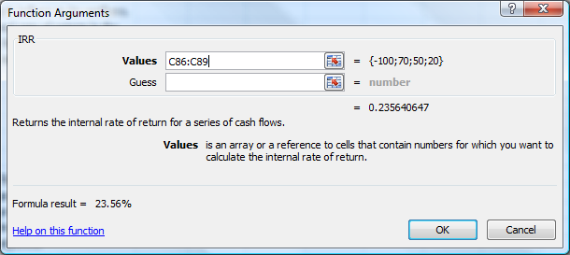

Notice that for IRR you must specify all cash flows, including the time zero cash flow. This is in contrast to the NPV function, in which you specify only the future cash flows.

(2.) How is the IRR on a project related to the YTM on a bond?

The IRR is the discount rate that forces the PV of a project’s expected future cash flows to equal the initial cash flow. This is analogous to a bond’s yield because a bond’s yield is the discount rate that forces the present value of a bonds coupons and maturity value to equal the price of the bond.

Suppose the initial cost of a project is $100 and it has cash flows of $40 at Years 1, 2, and 3. What is its IRR? Use the Excel RATE function as though the project were a bond.

Constant Cash Flows

Year (t) | Cash Flow
0 | -$100 |  | Year | 0 | 1 | 2 | 3
1 | 40 |  | CF | -100 | 40 | 40 | 40
2 | 40
3 | 40
 |  |  | IRR = |  |  | Note: You can use the Rate function if
 |  |  |  |  |  | payments are constant.

(3.) What is the logic behind the IRR method? According to IRR, which franchises should be accepted if they are independent? Mutually exclusive?

(4.) Would the franchises' IRRs change if the cost of capital changed?

The IRR method of capital budgeting maintains that projects should be accepted if their IRR is greater than the cost of capital. Strict adherence to the IRR method would further dictate that mutually exclusive projects should be chosen on the basis of the greatest IRR. In this scenario, both franchises have IRRs that exceed the cost of capital (10%) and both should be accepted, if they are independent. If, however, the franchises are mutually exclusive, we would choose Franchise S. Recall, that this was our determination using the NPV method as well. The question that naturally arises is whether or not the NPV and IRR methods will always arrive at the same conclusion.

When dealing with independent projects, the NPV and IRR methods will always yield the same accept/reject result. However, in the case of mutually exclusive projects, NPV and IRR can give conflicting results. One shortcoming of the internal rate of return is that it assumes that cash flows received are reinvested at the project's internal rate of return, which is not usually true. The nature of the congruence of the NPV and IRR methods is further detailed in a latter section of this model.

NPV Profiles
e. Draw NPV profiles for Franchises L and S. At what discount rate do the profiles cross?

 |  | Franchise S |  |  | Franchise L
 | r |  |  | r
 | 0% |  |  | 0%
 | 2% |  |  | 2%
 | 4% |  |  | 4%
 | 6% |  |  | 6%
 | 8% |  |  | 8%
 | 10% |  |  | 10%
 | 12% |  |  | 12%
 | 14% |  |  | 14%
 | 16% |  |  | 16%
 | 18% |  |  | 18%
 | 20% |  |  | 20%
 | 22% |  |  | 22%
 | 24% |  |  | 24%
NPV Profile of Franchises S and L
 | Project S | Project L
0%
2%
4%
6%
8%
10%
12%
14%
16%
18%
20%
22%
24%

Crossover
Rate = 8.7%

(2.) Look at your NPV profile graph without referring to the actual NPVs and IRRs. Which franchise or franchises should be accepted if they are independent? Mutually exclusive? Explain. Are your answers correct at any cost of capital less than 23.6%?

Previously, we had discussed that in some instances the NPV and IRR methods can give conflicting results. First, we should attempt to define what we see in this graph. Notice, that the two franchises' profiles (S and L) intersect the X-axis at costs of capital of 18.13% and 23.56%, respectively. Not coincidently, those are the IRRs of the franchises. If we think about the definition of IRR, we remember that the internal rate of return is the cost of capital at which a project will have an NPV of zero. Looking at our graph, it is a logical conclusion that the project IRR is defined as the point at which its profile intersects the X-axis.

f. What is the underlying cause of ranking conflicts between NPV and IRR?

Looking further at the NPV profiles, we see that the two franchises profiles intersect at a point we shall call the crossover rate. We observe that at costs of capital greater than the crossover rate, the franchise with the greater IRR (Franchise S, in this case) also has the greater NPV. But at costs of capital less than the crossover rate, the franchise with the lesser IRR has the greater NPV. This relationship is the source of discrepancy between the NPV and IRR methods. By looking at the graph, we see that the crossover rate appears to occur at approximately 8.7%. Luckily, there is a more precise way of determining the crossover rate. To find the crossover rate, we will find the difference between the two franchises' cash flows in each year, and then find the IRR of this series of differential cash flows. This IRR is the crossover rate.

 | Expected
 | Net Cash Flows |  | Cash Flow
Year (t) | Franchise S | Franchise L | Differential
0 | -$100 | -$100
1 | 70 | 10
2 | 50 | 60
3 | 20 | 80

IRR = | Crossover rate =

The intuition behind the relationship between the NPV profile and the crossover rate is as follows: (1) Distant cash flows are heavily penalized by high discount rates--the denominator is (1 + r)t, and it increases geometrically; hence, it gets very large at high values of t. (2) Long-term projects like L have most of their cash flows coming in the later years, when the discount penalty is largest; hence, they are most severely impacted by high capital costs. (3) Therefore, Franchise L's NPV profile is steeper than that of S. (4) Since the two profiles have different slopes, they cross one another.

Modified Internal Rate of Return (MIRR)
g. Define the term modified IRR (MIRR). Find the MIRRs for Franchises L and S.

The modified internal rate of return is the discount rate that causes a project's cost (or cash outflows) to equal the present value of the project's terminal value. To find MIRR, use Excel's MIRR function. Alternatively, calculate the PV of the outflows and the FV of the inflows and then find the discount rate that equates the two.

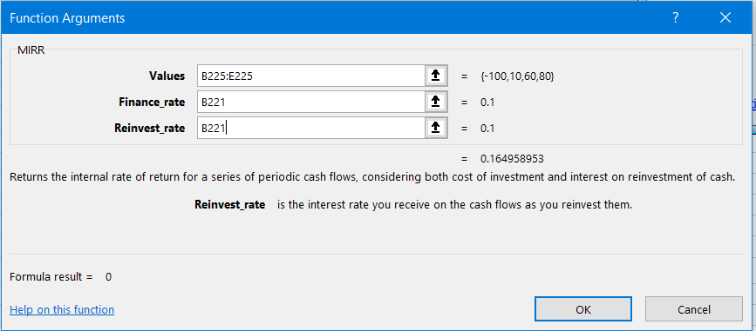
WACC = | 10%
 |  |  | Franchise L

Year | 0 | 1 | 2 | 3
CF | (100) | 10 | 60 | 80

 | MIRRL = | MIRR(B225:E225,B221,B221)
 | MIRRL =

 | Alternatively:
 |  |  | Franchise L

Year | 0 | 1 | 2 | 3
CF | (100) | 10 | 60 | 80
 |  |  |  | 66
 |  |  |  | 12.1

PV = | (100) |  | TV = | 158.1

 | MIRRL =

 |  |  | Franchise S

Year | 0 | 1 | 2 | 3
CF | (100) | 70 | 50 | 20

 | MIRRS =

PROFITABILITY INDEX
h. What does the profitability index (PI) measure? What are the PI's for Franchises S and L?

The profitability index is the present value of all future cash flows divided by the intial cost. It measures the PV per dollar of investment.

For Franchise S:
 | PI(S) = | PV of future cash flows |  | ÷ | Initial cost
 | PI(S) = | $119.98 |  | ÷ | $100
 | PI(S) =

For Franchise L:
 | PI(L) = | PV of future cash flows |  | ÷ | Initial cost
 | PI(L) = | $118.78 |  | ÷ | $100
 | PI(L) =

i. (1.) What is the payback period? Find the paybacks for Franchises L and S.

Payback Period
The payback period is defined as the expected number of years required to recover the investment, and it was the first formal method used to evaluate capital budgeting projects. First, we identify the year in which the cumulative cash inflows exceed the initial cash outflows. That is the payback year. Then we take the previous year and add to it the fraction calculated as the unrecovered balance at the end of that year divided by the following year's cash flow. Generally speaking, the shorter the payback period, the better the investment.

Franchise S
 | Time period: | 0 | 1 | 2 | 3
 | Cash flow: | -100 | 70 | 50 | 20
 | Cumulative cash flow: | -100 | -30 | 20 | 40
Intermediate calculation to identify payback:
 |  |  | — | 1.60 | —
 | Payback:

 | Alternative calcuation using the Excel PERCENTRANK function
 |  |  | See the discussion on the PERCENTRANK function in the Toolkit for this Chapter. Note that if cash flows are nonnormal, the PERCENTRANK function will not always give correct result. In that case, use the onger procedure shown above.
 | Payback:

Franchise L
 | Time period: | 0 | 1 | 2 | 3
 | Cash flow: | -100 | 10 | 60 | 80
 | Cumulative cash flow: | -100 | -90 | -30 | 50

 | Payback:

Discounted Payback Period
Discounted payback period uses the project's cost of capital to discount the expected cash flows. The calculation of discounted payback period is identical to the calculation of regular payback period, except you must base the calculation on a new row of cash flows discounted at r back to t = 0. Note that both projects have a cost of capital of 10%.

r = | 10%

Franchise S
 | Time period: | 0 | 1 | 2 | 3
 | Cash flow: | -100 | 70 | 50 | 20
 | Disc. cash flow: | -100 | 64 | 41 | 15 |  |  | Cash Flows Discounted back at 10%.
 | Disc. cum. cash flow: | -100 | -36 | 5 | 20

 | Discounted Payback:

Franchise L
 | Time period: | 0 | 1 | 2 | 3 | 4
 | Cash flow: | -100 | 10 | 60 | 80 | 0
 | Disc. cash flow: | -100 | 9 | 50 | 60 | 0
 | Disc. cum. cash flow: | -100 | -91 | -41 | 19 | 19

 | Discounted Payback:

(4.) What is the main disadvantage of discounted payback? Is the payback method of any real usefulness in capital budgeting decisions?

The inherent problem with both paybacks is that they ignore cash flows that occur after the payback period mark and neither provides a specific acceptance rule. While the discounted method accounts for timing issues (to some extent), it still falls short of fully analyzing projects. However, all else equal, these two methods do provide some information about projects' liquidity and risk.

Multiple IRRs
j. As a separate project (Project P), you are considering sponsoring a pavilion at the upcoming World's Fair. The pavilion would cost $800,000, and it is expected to result in $5 million of incremental cash inflows during its 1 year of operation. However, it would then take another year, and $5 million of costs, to demolish the site and return it to its original condition. Thus, Project P's expected net cash flows look like this (in thousands of dollars):

Project M: | Year | 0 | 1 | 2
 | CF | -800 | 5,000 | -5,000

The project is estimated to be of average risk, so its cost of capital is 10%.

We will solve this IRR twice, the first time using the default guess of 10%, and the second time we will enter a guess of 200%. Notice, that the first IRR calculation is exactly as it was above.

NPVM =

IRR M 1 = |  |  | MIRR =

IRR M 2 = |  | =IRR(C344:E344,200%)

The two solutions to this problem tell us that this project will have a positive NPV for all costs of capital between 25% and 400%. We illustrate this point by creating a data table and a graph of the project NPVs.

 | Year | 0 | 1 | 2
 | CF | -800 | 5,000 | -5,000

(3.) Draw Project P's NPV profile. Does Project P have normal or nonnormal cash flows? Should this project be accepted?

Multiple Rates of Return
0%
25%
50%
75%
100%
125%
150%
175%
200%
225%
250%
275%
300%
325%
350%
375%
400%
425%
450%
475%
500%
525%
550%
r = | 25.0%
NPV = | 0.00
 | NPV
r | $0.0
0%
25%
50%
75%
100% |  | Max.
125%
150%
175%
200%
225%
250%
275%
300%
325%
350%
375%
400%
425%
450%
475%
500%
525%
550%

