efficient frontier 2 14 2024
 |  |  |  |  |  |  |  |  | Original Monthly Stock Prices downloaded at finance.yahoo.com
Date - five years, monthly | Ret_TTWO | Ret_JPM | Ret_NVDA | Ret_MO | Ret_META | Ret_UNH | Ret_XOM | Ret_F | TTWO - Price | JPM - Price | NVDA - Price | MO - Price | META - Price | UNH - Price | XOM - Price | F - Price
2019-03-01 |  |  |  |  |  |  |  |  | 94.370003 | 87.153458 | 44.587215 | 38.798992 | 166.69 | 229.457123 | 63.26 | 7.182544
2019-04-01 | 2.61% | 14.64% | 0.80% | -4.05% | 16.02% | -5.38% | -0.64% | 19.02% | 96.830002 | 99.912651 | 44.944798 | 37.227818 | 193.40 | 217.114319 | 62.85 | 8.548699
2019-05-01 | 11.69% | -8.00% | -25.16% | -9.70% | -8.24% | 3.75% | -11.85% | -7.44% | 108.150002 | 91.923775 | 33.636589 | 33.616726 | 177.47 | 225.246704 | 55.41 | 7.912848
2019-06-01 | 4.97% | 5.51% | 21.38% | -3.49% | 8.75% | 0.91% | 9.52% | 7.46% | 113.529999 | 96.990166 | 40.827114 | 32.444996 | 193.00 | 227.305405 | 60.68 | 8.502984
2019-07-01 | 7.92% | 3.76% | 2.73% | 0.97% | 0.64% | 2.50% | -2.96% | -6.84% | 122.519997 | 100.633797 | 41.943321 | 32.761154 | 194.23 | 232.990326 | 58.89 | 7.921157
2019-08-01 | 7.71% | -4.62% | -0.72% | -7.07% | -4.41% | -6.03% | -7.91% | -2.34% | 131.970001 | 95.981895 | 41.642517 | 30.443447 | 185.67 | 218.945969 | 54.23 | 7.735693
2019-09-01 | -5.02% | 7.13% | 4.02% | -6.49% | -4.09% | -7.13% | 4.39% | -0.11% | 125.339996 | 102.822777 | 43.316143 | 28.466785 | 178.08 | 203.339096 | 56.61 | 7.727257
2019-10-01 | -3.98% | 6.14% | 15.48% | 11.62% | 7.62% | 16.83% | -4.31% | -6.22% | 120.349998 | 109.13942 | 50.02248 | 31.774584 | 191.65 | 237.557953 | 54.17 | 7.246413
2019-11-01 | 0.83% | 6.32% | 7.82% | 10.96% | 5.21% | 10.75% | 0.83% | 7.20% | 121.349998 | 116.037514 | 53.934292 | 35.257805 | 201.64 | 263.099823 | 54.62 | 7.768331
2019-12-01 | 0.89% | 5.80% | 8.64% | 0.42% | 1.79% | 5.04% | 3.66% | 2.65% | 122.43 | 122.765862 | 58.596027 | 35.40678 | 205.25 | 276.364441 | 56.62 | 7.974113
2020-01-01 | 1.81% | -5.05% | 0.48% | -3.19% | -1.63% | -6.97% | -10.98% | -5.16% | 124.639999 | 116.56591 | 58.87743 | 34.276905 | 201.91 | 257.109192 | 50.40 | 7.562546
2020-02-01 | -13.77% | -11.71% | 14.23% | -15.06% | -4.68% | -6.42% | -17.19% | -19.75% | 107.480003 | 102.91143 | 67.254692 | 29.113375 | 192.47 | 240.604004 | 41.74 | 6.069215
2020-03-01 | 10.36% | -22.46% | -2.34% | -4.21% | -13.34% | -2.19% | -25.13% | -30.60% | 118.610001 | 79.796028 | 65.682755 | 27.887407 | 166.80 | 235.338196 | 31.25 | 4.211825
2020-04-01 | 2.06% | 6.36% | 10.88% | 4.29% | 22.73% | 17.79% | 22.39% | 5.38% | 121.050003 | 84.87468 | 72.829117 | 29.084223 | 204.71 | 277.197479 | 38.25 | 4.43855
2020-05-01 | 12.49% | 2.67% | 21.47% | -0.51% | 9.96% | 4.23% | -2.15% | 12.18% | 136.169998 | 87.144745 | 88.46241 | 28.93602 | 225.09 | 288.931 | 37.42 | 4.979198
2020-06-01 | 2.50% | -3.34% | 7.01% | 0.51% | 0.88% | -3.25% | 0.26% | 6.48% | 139.570007 | 84.234222 | 94.664406 | 29.084223 | 227.07 | 279.547943 | 37.52 | 5.301843
2020-07-01 | 17.52% | 2.74% | 11.81% | 7.13% | 11.71% | 3.10% | -5.90% | 8.72% | 164.020004 | 86.544716 | 105.845863 | 31.158266 | 253.67 | 288.205017 | 35.31 | 5.76401
2020-08-01 | 4.37% | 4.68% | 26.00% | 6.29% | 15.58% | 3.23% | -5.09% | 3.18% | 171.190002 | 90.598213 | 133.364929 | 33.119385 | 293.20 | 297.504669 | 33.51 | 5.947133
2020-09-01 | -3.49% | -3.91% | 1.17% | -11.66% | -10.68% | -0.25% | -12.35% | -2.35% | 165.220001 | 87.053482 | 134.920486 | 29.257723 | 261.90 | 296.762268 | 29.37 | 5.807611
2020-10-01 | -6.23% | 1.84% | -7.34% | -4.75% | 0.46% | -1.72% | -4.98% | 16.07% | 154.919998 | 88.654015 | 125.02121 | 27.869169 | 263.11 | 291.648285 | 27.91 | 6.740665
2020-11-01 | 16.52% | 21.35% | 6.92% | 10.39% | 5.27% | 10.22% | 16.89% | 17.46% | 180.509995 | 107.583748 | 133.674133 | 30.765776 | 276.97 | 321.468781 | 32.62 | 7.917882
2020-12-01 | 15.11% | 7.80% | -2.59% | 2.94% | -1.38% | 4.26% | 10.71% | -3.19% | 207.789993 | 115.971054 | 130.217941 | 31.669508 | 273.16 | 335.174774 | 36.12 | 7.665
2021-01-01 | -3.53% | 1.26% | -0.47% | 2.25% | -5.43% | -4.53% | 8.78% | 19.80% | 200.449997 | 117.43129 | 129.605423 | 32.380886 | 258.33 | 319.977844 | 39.29 | 9.182304
2021-02-01 | -7.98% | 15.20% | 5.58% | 6.13% | -0.27% | -0.41% | 21.25% | 11.11% | 184.460007 | 135.282715 | 136.836578 | 34.367249 | 257.62 | 318.673309 | 47.64 | 10.202559
2021-03-01 | -4.21% | 3.44% | -2.67% | 17.34% | 14.33% | 12.00% | 4.43% | 4.70% | 176.699997 | 139.93399 | 133.182312 | 40.326336 | 294.53 | 356.898407 | 49.75 | 10.682166
2021-04-01 | -0.75% | 1.04% | 12.48% | -5.05% | 10.37% | 7.56% | 2.53% | -5.80% | 175.380005 | 141.386383 | 149.809174 | 38.290386 | 325.08 | 383.897461 | 51.01 | 10.063037
2021-05-01 | 5.80% | 7.41% | 8.23% | 3.08% | 1.12% | 3.29% | 1.97% | 25.91% | 185.559998 | 151.863098 | 162.135635 | 39.46917 | 328.73 | 396.527252 | 52.01 | 12.67036
2021-06-01 | -4.60% | -5.30% | 23.13% | -3.13% | 5.77% | -2.79% | 9.64% | 2.27% | 177.020004 | 143.818726 | 199.644073 | 38.234257 | 347.71 | 385.476227 | 57.03 | 12.958124
2021-07-01 | -2.03% | -2.42% | -2.49% | 2.53% | 2.47% | 3.32% | -8.73% | -6.12% | 173.419998 | 140.342117 | 194.6633 | 39.200436 | 356.30 | 398.269379 | 52.05 | 12.16459
2021-08-01 | -7.03% | 5.99% | 14.80% | 4.56% | 6.48% | 0.98% | -5.30% | -6.59% | 161.220001 | 148.748672 | 223.474915 | 40.987465 | 379.38 | 402.182281 | 49.29 | 11.362338
2021-09-01 | -4.43% | 2.34% | -7.44% | -9.38% | -10.54% | -6.13% | 9.52% | 8.67% | 154.070007 | 152.226746 | 206.849365 | 37.144123 | 339.39 | 377.516327 | 53.98 | 12.347713
2021-10-01 | 17.48% | 3.79% | 23.42% | -1.32% | -4.66% | 18.26% | 9.61% | 20.62% | 181 | 157.992569 | 255.286606 | 36.652252 | 323.57 | 446.448059 | 59.17 | 14.893992
2021-11-01 | -8.35% | -5.95% | 27.81% | -3.33% | 0.28% | -3.53% | -7.18% | 12.35% | 165.880005 | 148.597168 | 326.27002 | 35.430794 | 324.46 | 430.692902 | 54.92 | 16.733944
2021-12-01 | 7.14% | -0.30% | -9.99% | 11.14% | 3.66% | 13.04% | 3.63% | 8.78% | 177.720001 | 148.148102 | 293.668945 | 39.377705 | 336.35 | 486.849182 | 56.91 | 18.202921
...
weight | stock 1 | stock 2 | stock 3 | stock 4 | stock 5 | stock 6 | stock 7 | stock 8 | Sum - total |  | results | weight stock 1 | weight stock 2 | weight stock 3 | weight stock 4 | weight stock 5
Bordered matrix |  |  |  |  |  |  |  |  |  |  | 4 | 0 | 0 | 0 | 0 | 0.54901096693
 | Ret_TTWO | Ret_JPM | Ret_NVDA | Ret_MO | Ret_META | Ret_UNH | Ret_XOM | Ret_F |  |  | 5 | 0 | 0 | 0.25046280217 | 0 | 0.74953719783
Ret_TTWO | 0.0000000000 | 0.0000000000 | -0.0000000154 | 0.0000000000 | -0.0000000123 | 0.0000000000 | 0.0000000000 | 0.0000000000 |  |  | 6 | 0 | 0 | 0.40988535001 | 0 | 0.59011464999
Ret_JPM | 0.0000000000 | 0.0000000000 | -0.0000000158 | 0.0000000000 | -0.0000000240 | 0.0000000000 | 0.0000000000 | 0.0000000000 |  |  | 7 | 0 | 0 | 0.56930790355 | 0 | 0.43069209645
Ret_NVDA | -0.0000000154 | -0.0000000158 | 0.0276657768 | 0.0000000000 | 0.0235051680 | 0.0000000000 | 0.0000000000 | 0.0000000000 |  |  | 8 | 0 | 0 | -9.9999999997E-07 | 0.92640139105 | 0
Ret_MO | -0.0000000034 | -0.0000000120 | 0.0017286359 | 0.0000000000 | 0.0048902732 | 0.0000000000 | 0.0000000000 | 0.0000000000 |  |  | 9 | 0 | 0 | 0 | 0.53414789226 | 0
Ret_META | 0.0000000000 | 0.0000000000 | 0.0000000000 | 0.0000000000 | 0.0000000000 | 0.0000000000 | 0.0000000000 | 0.0000000000 |  |  | 10 | 0 | 0 | 0 | 0 | 0.33872901174
Ret_UNH | -0.0000000140 | -0.0000000120 | 0.0019557824 | 0.0000000000 | 0.0042092630 | 0.0000000000 | 0.0000000000 | 0.0000000000 |  |  | 11 | 0 | 0 | 0 | 0.73028170254 | 0
Ret_XOM | 0.0000000000 | 0.0000000000 | 0.0000000000 | 0.0000000000 | 0.0000000000 | 0.0000000000 | 0.0000000000 | 0.0000000000 |  |  | 12 | 0 | 0 | 0 | 0.69104866885 | 0
Ret_F | 0.0000000000 | 0.0000000000 | 0.0000000000 | 0.0000000000 | 0.0000000000 | 0.0000000000 | 0.0000000000 | 0.0000000000 |  |  | 13 | 0 | 0 | 0 | 0.61259827915 | 0
 | mean
14.61% | 40.00%
41.35% | 80.00%
47.59% | 90.00%
21.90% | 50.00%
28.59% | 60.00%
35.04% | 70.00%
13.78% | 5.00%
7.95% | 10.00%
10.86% | 7.50%
10.28% | 8.00%
9.11% | 9.00%
7.95% | 10.00%
5.62% | 12.00%
3.29% | 14.00%
10.36% | 35.00%
18.37% | 45.00%
25.29% | 55.00%
4.15% | 26.00%
2.70% | 14.50%
 |  |  |  |  |  |  |  |  |  |  | 14 | 0 | 0 | 0 | 0.53414788933 | 0
 |  |  |  |  |  |  |  |  |  |  | 15 | 0 | 0 | 0 | 0.37724710994 | 0
Solver Results |  |  |  | Sample Results based on solver |  |  |  |  |  |  | 16 | 0 | 0 | 0 | 0.22034633009 | 0
standard deviation - portfolio | 0.25289278240 |  |  | standard deviation | mean |  |  |  |  |  | 17 | 0 | 0 | 0.15199623273 | 0 | 0 | 0 | 0.84800462433
mean - portfolio | 0.550 |  | Result 1 | 14.61% | 40.00% |  |  |  |  |  | 18 | 0 | 0 | 0.011328970535 | 0 | 0.98867102947 | 0 | 0
 |  |  | Result 2 | 41.35% | 80.00% |  |  |  |  |  | 19 | 0 | 0 | 0.17075264538 | 0 | 0.82924821167 | 0 | 0
Solver set up |  |  | Result 3 | 47.59% | 90.00% |  |  |  |  |  | 20 | -0.000001 | -0.000001 | 0.33017357319 | 0 | 0.66982842681 | 0 | 0
1) constraints: Sum of weight =1 |  |  |  |  |  |  |  |  |  |  | 21 | 0 | 0 | -0.000001 | 0 | 0.23359563685 | 0 | 0
2) mean = 10% for example |  |  | Result 5 | 21.90% | 50.00% |  |  |  |  |  | 22 | 0 | 0 | 0 | 0 | 0.12844712023 | 0 | 0
minimize standard devation |  |  | Result 6 | 28.59% | 60.00% |  |  |  |  |  | 23 | -0.000001 | 0 | 0 | 0.18112891939 | 0 | 0 | 0.81887208061
 |  |  | Result 7 | 35.04% | 70.00%
 |  |  | Result 8 | 13.78% | 5.00%
 |  |  | Result 9 | 7.95% | 10.00%
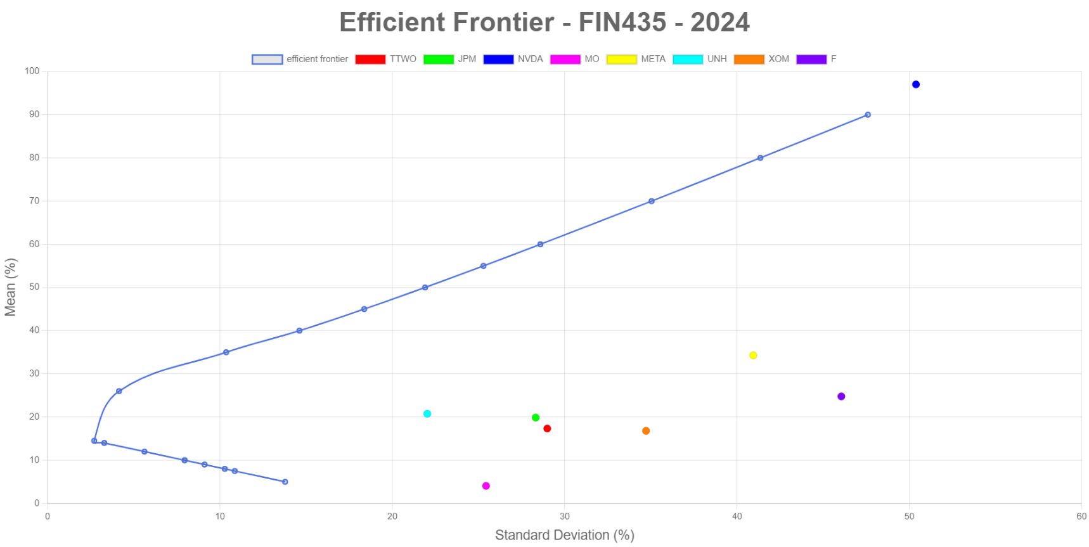
 |  |  | Result 11 | 10.86% | 7.50%
 |  |  | Result 12 | 10.28% | 8.00%
 |  |  | Result 13 | 9.11% | 9.00%
 |  |  | Result 14 | 7.95% | 10.00%
 |  |  | Result 15 | 5.62% | 12.00%
 |  |  | Result 16 | 3.29% | 14.00%

 |  |  | Result 18 | 10.36% | 35.00%
 |  |  | Result 19 | 18.37% | 45.00%
 |  |  | Result 20 | 25.29% | 55.00%

 |  |  | Result 22 | 4.15% | 26.00%
 |  |  | Result 23 | 2.704% | 14.500%

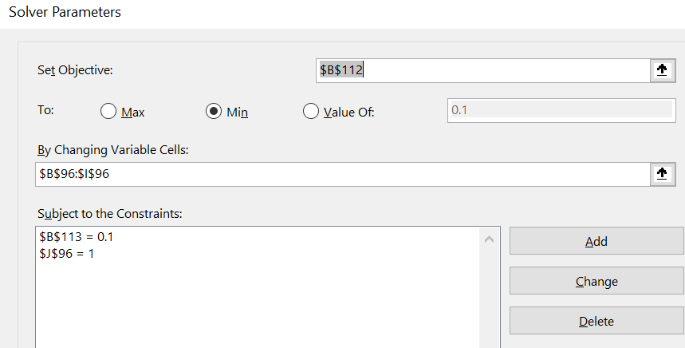

example
...
Bordered matrix
 | return_google | return_apple | return_f | return_jpm | return_tesla | return_pfe | return_kmi | return_disney
return_google | 0.0016714897755 | 0.00059308296207 | -0.000106383056 | 0.00023335253775 | -0.0014097813966 | 0.00079390978997 | 0.0012685434931 | 0.00076995597103
return_apple | 0.00059308296207 | 0.0011007272384 | -7.430442862E-05 | 9.7355229629E-05 | -0.0015536932994 | 0.00075324703018 | 0.00044209589275 | 0.00045471794937
return_f | -0.000106383056 | -7.430442862E-05 | 0.00010282311684 | -6.1980689221E-05 | 0.00013847460409 | -0.00014148468224 | -0.00044629633088 | -0.00013441931265
return_jpm | 0.00023335253775 | 9.7355229629E-05 | -6.1980689221E-05 | 0.00012778452139 | -0.00016763236338 | 0.00048487452555 | 0.00030491222815 | 0.00010535227626
return_tesla | -0.0014097813966 | -0.0015536932994 | 0.00013847460409 | -0.00024231280196 | 0.0078188616381 | -0.0014253764445 | -0.0012812224558 | -0.00095814084269
return_pfe | 0.00079390978997 | 0.00075324703018 | -0.00014148468224 | 0.00024559040521 | -0.0014253764445 | 0.0069220403376 | 0.0011137854134 | 0.0006679416154
return_kmi | 0.0012685434931 | 0.00044209589275 | -0.00044629633088 | 0.00055576683625 | -0.0012812224558 | 0.0011137854134 | 0.0072880192257 | 0.0014233634181
return_disney | 0.00076995597103 | 0.00045471794937 | -0.00013441931265 | 0.00033930127902 | -0.00095814084269 | 0.0006679416154 | 0.0014233634181 | 0.0017602350053

Efficient Frontier Demonstration
std | 0.1753035059 |  | portfolio standard deviation | Portfolio mean
mean | 0.05 |  | 0.17986298436 | 3%
 |  |  | 0.17530342358 | 5%
Solver set up |  |  | 0.17140805631 | 7%
1) constraints: Sum of weight =1 |  |  | 0.16972429507 | 8%
2) portfolio mean = 10% for example |  |  | 0.16690903777 | 10%
#) minimize portfolio's standard devation |  |  | 0.16329469703 | 15%
 |  |  | 0.16477526112 | 20%
 |  |  | 0.17124330946 | 25%
 |  |  | 0.1822398631 | 30%
 |  |  | 0.18753064926 | 32%
 |  |  | 0.19742454005 | 35%
 |  |  | 0.21694994773 | 40%
 |  |  | 0.22189392844 | 42%
 |  |  | 0.23402443894 | 45%
 |  |  | 0.25559407602 | 50%

Efficient Frontier - Portfolios
results | weight stock 1 | weight stock 2 | weight stock 3 | weight stock 4 | weight stock 5 | weight stock 6 | weight stock 7 | weight stock 8 | portfolio standard deviation | Portfolio mean
portfolio 1 | 16.53% | 10.37% | -3.51% | 4.38% | -14.06% | 35.01% | 35.09% | 16.19% | 0.17986298436 | 3%
portfolio 2 | 17.90% | 11.25% | -2.89% | 4.69% | -12.82% | 34.19% | 32.90% | 14.77% | 0.17530342358 | 5%
portfolio 3 | 19.33% | 12.13% | -2.19% | 4.80% | -11.58% | 33.43% | 30.71% | 13.36% | 0.17140805631 | 7%
portfolio 4 | 19.93% | 12.68% | -1.99% | 5.08% | -10.97% | 33.00% | 29.63% | 12.64% | 0.16972429507 | 8%
portfolio 5 | 21.44% | 13.45% | -1.19% | 5.11% | -9.71% | 32.25% | 27.43% | 11.24% | 0.16690903777 | 10%
portfolio 6 | 24.94% | 15.65% | 0.47% | 5.62% | -6.60% | 30.27% | 21.96% | 7.69% | 0.16329469703 | 15%
portfolio 7 | 28.45% | 17.85% | 2.12% | 6.14% | -3.50% | 28.30% | 16.49% | 4.15% | 0.16477526112 | 20%
...

javascript code for graph fyi
<!DOCTYPE html>
<html lang="en">
<head>
<meta charset="UTF-8">
<meta name="viewport" content="width=device-width, initial-scale=1.0">
<title>Efficient Frontier - FIN435 - 2024</title>
<script src="https://cdn.jsdelivr.net/npm/chart.js"></script>
</head>
<body>
<canvas id="myChart"></canvas>
<script>
var data = [
{stdDev: 14.61, mean: 40},
{stdDev: 41.35, mean: 80},
{stdDev: 47.59, mean: 90},
{stdDev: 21.90, mean: 50},
{stdDev: 28.59, mean: 60},
{stdDev: 35.04, mean: 70},
{stdDev: 13.78, mean: 5},
{stdDev: 7.95, mean: 10},
{stdDev: 10.86, mean: 7.5},
{stdDev: 10.28, mean: 8},
{stdDev: 9.11, mean: 9},
{stdDev: 7.95, mean: 10},
{stdDev: 5.62, mean: 12},
{stdDev: 3.29, mean: 14},
{stdDev: 10.36, mean: 35},
{stdDev: 18.37, mean: 45},
{stdDev: 25.29, mean: 55},
{stdDev: 4.146, mean: 26},
{stdDev: 2.704, mean: 14.5}
];
// Sort data based on mean (lowest to highest)
data.sort((a, b) => a.mean - b.mean);
// New data points with company names and their corresponding statistics
var newDataPoints = [
{stdDev: 28.99, mean: 17.34, label: 'TTWO', color: '#ff0000'},
{stdDev: 28.32, mean: 19.88, label: 'JPM', color: '#00ff00'},
{stdDev: 50.38, mean: 97.02, label: 'NVDA', color: '#0000ff'},
{stdDev: 25.44, mean: 4.06, label: 'MO', color: '#ff00ff'},
{stdDev: 40.94, mean: 34.29, label: 'META', color: '#ffff00'},
{stdDev: 22.03, mean: 20.76, label: 'UNH', color: '#00ffff'},
{stdDev: 34.72, mean: 16.81, label: 'XOM', color: '#ff8000'},
{stdDev: 46.05, mean: 24.78, label: 'F', color: '#8000ff'}
];
// Extracting values for Chart.js
var chartData = {
datasets: [{
label: 'efficient frontier',
data: data.map(p => ({x: p.stdDev, y: p.mean})),
borderColor: '#4e73df', // Blue color
borderWidth: 2, // Increase line width
fill: false,
tension: 0.4 // Adjust the tension for smoothness
},
...newDataPoints.map(p => ({
label: p.label,
data: [{x: p.stdDev, y: p.mean}],
pointStyle: 'circle', // Circle marker
pointRadius: 5, // Point size
backgroundColor: p.color, // New color for each company
}))
]
};
// Chart Options
var chartOptions = {
plugins: {
legend: {
display: true,
position: 'top'
},
title: {
display: true,
text: 'Efficient Frontier - FIN435 - 2024',
position: 'top',
font: {
size: 36 // Larger font size for the title
}
}
},
scales: {
x: {
type: 'linear',
position: 'bottom',
title: {
display: true,
text: 'Standard Deviation (%)',
font: {
size: 18 // Larger font size for axis labels
}
}
},
y: {
title: {
display: true,
text: 'Mean (%)',
font: {
size: 18 // Larger font size for axis labels
}
}
}
}
};
// Create Chart
var ctx = document.getElementById('myChart').getContext('2d');
var myChart = new Chart(ctx, {
type: 'line',
data: chartData,
options: chartOptions
});
// Draw "Efficient Frontier" title directly onto the canvas
ctx.font = '36px Arial'; // Font size and type
ctx.fillStyle = '#000'; // Text color
ctx.textAlign = 'center'; // Text alignment
ctx.fillText('Efficient Frontier - FIN435 - 2024', ctx.canvas.width / 2, 50); // Text and position
</script>
</body>
</html>

